Inspection Table



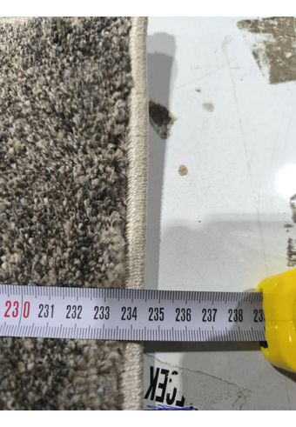
MODEL CODE (as in PI) | SIZE OF THE GOODS (CM) | PRODUCT NET WEIGHT | PICTURES OF GOODS | WASH LABEL (both sides) | PICTURE OF OUTER BARCODE | PICTURE OF U-CARD/ BANDROLL | LASER SCAN TEST RESULT | MASTER CARTON/ SHIPPING MARKS PHOTOS | POLYBAG WARNING
C6461A_JA8_44-M
C6461A_JA8_44-L
C6461A_JA8_44-S
C6461A_JA8_44-XL
C6504A_JA8_24-M
C6504A_JA8_24-L
C6504A_JA8_24-S
C6504A_JA8_24-XL
C6505A_JA8_42-M
C6505A_JA8_42-L
C6505A_JA8_42-S
C6505A_JA8_42-XL
C6687A_VRB_32-M
C6687A_VRB_32-L
C6687A_VRB_32-S
C6687A_VRB_32-XL
C6720A_VRB_26-M
C6720A_VRB_26-L
C6720A_VRB_26-S
C6720A_VRB_26-XL
C6645A_VRB_26-M
C6645A_VRB_26-L
C6645A_VRB_26-S
C6645A_VRB_26-XL
C6721A_VRB_13-M
C6721A_VRB_13-L
C6721A_VRB_13-S
C6721A_VRB_13-XL
C6605A_CHT_42-M
C6605A_CHT_42-L
C6605A_CHT_42-S
C6123A_CHR_72-M
C6123A_CHR_72-L
C6123A_CHR_72-S
C6605A_CHT_62-M
C6605A_CHT_62-L
C6605A_CHT_62-S
C6620A_CHT_16-M
C6620A_CHT_16-L
C6620A_CHT_16-S
C6450A_8G7_35-M
C6450A_8G7_35-L
C6450A_8G7_35-S
C6450A_8G7_35-XL
C6207B_8G7_57-M
C6207B_8G7_57-L
C6207B_8G7_57-S
C6207B_8G7_57-XL
C6176A_8G7_31-M
C6176A_8G7_31-L
C6176A_8G7_31-S
C6176A_8G7_31-XL
C6452A_8G7_32-M
C6452A_8G7_32-L
C6452A_8G7_32-S
C6452A_8G7_32-XL
N123B_FRS_47-M
N123B_FRS_47-L
N123B_FRS_47-XL
N122A_FRS_35-M
N122A_FRS_35-L
N122A_FRS_35-XL
N124A_FRS_48-M
N124A_FRS_48-L
N124A_FRS_48-XL
C5657A_LPG_82_88-M
C5657A_LPG_82_88-L
C5657A_LPG_82_88-S
C5732A_LPG_52_55-M
C5732A_LPG_52_55-L
C5732A_LPG_52_55-S
C6241A_LPG_25-M
C6241A_LPG_25-L
C6241A_LPG_25-S
C6184A_LPG_52_55-M
C6184A_LPG_52_55-L
C6184A_LPG_52_55-S
C5731A_LPG_35_33-M
C5731A_LPG_35_33-L
C5731A_LPG_35_33-S
B8910A_74F_78-M
B9777A_74F_27-M
B9777A_74F_27-L
C1181A_74F_12-M
C4977B_74F_23-M
C4977B_74F_23-S
C4984A_74F_31-M
C4984A_74F_31-S
C4985A_74F_32-M
C4828A_CAS_33-L
C4828A_CAS_33-S
C0629A_LPB_52-CREAM/CREAM-S
C1060A_LPB_52-CREAM/BEIGE-S
B9736A_8F3_25CREAM/WHITE- M
B9741A_8F3_51WHITE/L.GREY-M
C0805A_74F_32CREAM/BEIGE-L
C3246A_NVD_11-M
C3246A_NVD_11-L
C4027A_NVD_11-M
C4027A_NVD_11-L

